Instructions
Instructions for Completing the SWEEP Irrigation Water Savings Assessment Tool
A. Complete the "Before" tab to represent the pre-project conditions. This is the crop and type of irrigation system that are currently in place, representing the baseline situation.
1. Enter project applicant name, current date, field name, application ID number, and the project acreage impacted by the specific irrigation practice at the top of the input tab of the SWEEP Water Savings Assessment Tool "Before" Tab.
2. Select the predominant soil type for the field. If the applicant is unsure of the predominant soil type, applicants can determine the soil type as identified by the Soil Web: http://casoilresource.lawr.ucdavis.edu/gmap/
3. Select the appropriate baseline meridian, township and range. Applicants can determine thebaseline, township and range of their project by using California Department of Fish and Wildlife Bios interactive map: https://map.dfg.ca.gov/bios/. Select the layer for the Public Land Survey System (PLSS) and identify your baseline meridian (Humboldt (H), Mount Diablo (M), San Bernardino (S)), township and range by selecting the field location on the map.
4. Select the crop currently planted in the proposed CDFA SWEEP project area. For double cropping, multiple crops, or crops grown in rotation: select one principle crop and run the SWEEP Water Savings Tool only once.
5. Select the appropriate irrigation practice that captures the baseline (i.e., current) on-farm irrigation practice used on the proposed project acreage. For example, if the current irrigation practice is surface irrigation with leaking pipes, the applicant would select “SURFACE IRRIGATION (with a leaky pipeline)” from the “Practice” scroll box. If the project will include more than one irrigation practice, run the calculator once for each unique practice.
6. An estimated "before" water use is displayed at the bottom of the tab.This is the baseline that will be used to estimate potential savings due to the SWEEP project. The SWEEP application does allow for the recipient to provide additional information regarding baseline water use for consideration of the technical reviewers.
B. Complete the "After" tab to represent the conditions after the implementation of the proposed SWEEP project. Include any changes in crop, irrigation practice, and change in level of irrigation management. The proposed project is located at the same field and acreage as the "Before" tab. Therefore, soil type, baseline, township and range will all be the same as the "Before" tab.
1. Select the predominant soil type for the proposed CDFA SWEEP project. This will be the same as the "Before" tab.
2. Select the appropriate baseline, township, and range of the proposed CDFA SWEEP project. This will be the same as the "Before" tab.
3. Select the crop that will be planted in the proposed CDFA SWEEP project area. For double cropping, multiple crops, or crops grown in rotation: select one principle crop and run the SWEEP Water Savings Tool only once.
4. Select the appropriate irrigation practice that captures desired change in practice on the proposed project acreage.
5. Select the proposed change in level of irrigation water management (IWM) that will occur from the pre-project situation to the implementation of the proposed SWEEP project. Use the following definitions to assess the baseline level of irrigation water managment and to determine the proposed change in level of IWM for the project. If there is not an IWM plan used, or the applicant will not make changes to the existing IWM plan, select “No Change in IWM plan” from the “Water Management” scroll box.
IWM Level Tools Involved Potential Water Savings
No IWM No soil moisture equipment, no flow meter None
Level 1 Soil moisture equipment 5% water savings over no IWM
Level 2 Soil moisture + flow meter 10% water savings over no IWM
Level 3 Soil moisture + flow meter = volmetric 15% water savings over no IWM
management using soil/flow/ET information
6. An estimated "after" water use is displayed at the bottom of the tab.This is the projected water use that will be used to estimate potential savings due to the SWEEP project.
C. After completing the "Before" and "After" tabs, the "Water Savings Estimate" tab will indicate an estimated water savings due to the implementation of the proposed SWEEP project.
1. Record the following values for input into the SWEEP application and the ARB GHG Calculator Tool:
a) “Estimated "Before" Scenario Water Use” in ac-in/ac from cell F3;
b) “Estimated "After" Scenario Water Use” in ac-in/ac from cell F4;
c) "Annual Estimated Water Savings” in ac-in/ac from cell F5.
d) "Percent Water Savings" located in cell F6 . This percentage is the value to be input into the ARB GHG Calculator, “Inputs” tab.
D. For projects that include more than one irrigation practice in the same field in a given growing season, the SWEEP Water Savings Assessment Tool must be run for each unique practice. In order to determine the correct water savings estimate for input into the GHG Calculator Tool, for each SWEEP Water Savings Assessment Tool run, multiply the annual water savings estimate percentage (%) by the
number of acres which the practice will be used. Add each of these multiplied values and divide by total project acreage. The resulting value will be used in the ARB GHG calculator.
For example, for three unique practices used on a total 50 acres:
Practice Acreage Annual Water Savings Estimate(%) Multipled Value
Repacing surface pipe 20 4% 80
Replacing surface irrigation with drip 20 27% 540
Replace wheel lines on center pivots 10 9% 90
Reported Value (%) (Sum Divided by Total Acreage) 14.2
E. Save the completed Sweep Irrigation Water Savings Assessment Tool file(s) as “application number_SIWSAT” as these files will be required for submission to CDFA. For projects with multiple irrigation practices, save each file representing a unique practice as “project name_ practice”.

Before
SWEEP Irrigation Water Savings Assessment Tool
The "before" scenario tab represents the baseline situation on the field. Complete this tab to represent the "pre-project" conditions. An estimate of baseline water use will be calculated based upon the field location, soil type, and irrigation method.
Applicant: |  | Application ID: | Date:
Field or Ranch Name: |  |  | Impacted Acres:

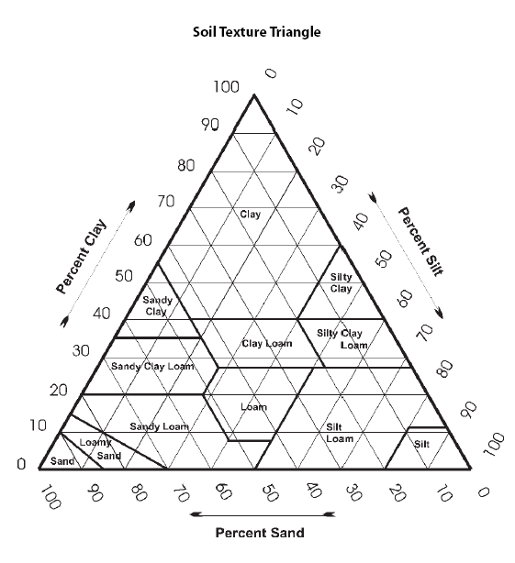
 |  |  | ET Zone | 16
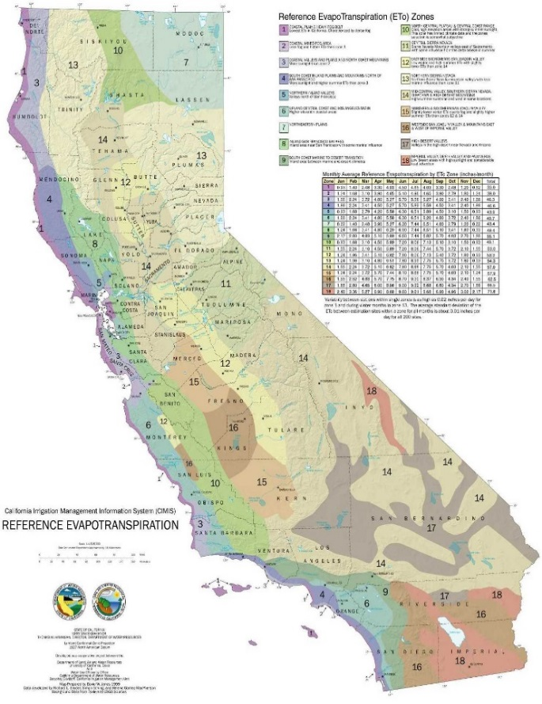

Estimated "before" water use | 105.0 | Ac-in/Ac

Notes:
The outputs of this tool are intended as estimates only for the purpose of understanding the potential for various irrigation practices and management techniques to save water.
Before and after practice water use estimated as crop ET adjusted by appropriate system efficiencies. Water provided by effective rainfall and water required for other beneficial uses are not considered because the effect on water savings is negligible.
Data Sources:
Crop ET from NRCS CA Consumptive Use database, representative planting and harvesting dates, UC crop coefficients and CIMIS normal ETo data.
"Predominant Soil" menu: If the actual infiltration rate of a soil at a practice site is significantly different than would be expected for its texture, then select a soil texture that best represents the actual infiltration rate.
For a more detailed explanation of how this tool works, see the "Background Info and Assumptions" tab.
ET Based on NRCS state office Aug,2000 (annual) (planting 1/1 and harvesting 12/31)

Background Info and Assumptions
Background Information - Including Limitations and Assumptions
The development process of this tool began with the establishment of “after” efficiencies for sprinkler, surface, and trickle irrigation methods for a range of soil textures and are considered to be potential efficiencies. The values include the effects of system performance (distribution uniformity) and management (irrigation scheduling). The following assumptions were made in their establishment:
1) The systems are properly maintained.
2) The systems are properly designed with all needed facilities in place.
3) Soils and slopes under surface irrigation are fairly uniform.
4) Management (including irrigation timing and amount decisions and how systems are operated) is typical.
“Before” system efficiencies represent the anticipated impacts of not having a particular practice in place. The efficiency values developed also represent the system performance and levels of management typically found in California for the conditions shown. Descriptions of how “before” efficiencies were developed are as follows:
Replace Unlined Ditch with Pipeline/Lining (surface irrigation) – Based on permeability rates, surface area, and infiltration opportunity time (time to irrigate the field), seepage loss from a typical (1300 ft. long, 2 ft. deep, 1 ft. bottom width) unlined ditch system was calculated for a range of soil textures. Losses ranged from 2% of conveyed water in clayey soils to 15% in sandy soils. “Before” efficiencies were determined by adjusting “after” efficiencies down accordingly.
Replace Leaky Pipeline with Pipeline (surface irrigation) – This could not be done “scientifically” because water losses depend on the size and number of pipeline breaks which is extremely variable. Therefore an assumption was made that, in coarser soils, a grower would probably react to a pipeline break problem when it resulted in an 8 to 10 percent loss of water. Pipeline breaks occurring in finer soils are likely to result in smaller water losses (following the results of unlined ditch seepage loss calculations). “before” efficiencies were determined by adjusting “after” efficiencies down accordingly.
Replace Surface System with Trickle – “Before” efficiencies represent surface irrigation systems with one or more significant deficiencies (assumed) such as not having a tailwater recovery system or run lengths which are too long.
Replace Surface System with Sprinkler – Same as for replacing surface with trickle.
Landleveling (surface irrigation) – “Before” efficiencies were estimated by multiplying “after” values by 0.9 for “previously leveled” fields and 0.8 for “previously unleveled” fields. (Reference: Farm Irrigation Rating Index, SCS, WNTC, June 1991)
Tailwater Recovery (surface irrigation) – Runoff is assumed to range from 10 to 18 percent of applied water on sand through fine sandy loam soils. Loam and heavier textured soil is assumed to have 20 percent runoff. “Before” efficiencies are estimated by adjusting “after” efficiencies accordingly.
Improve DU (split runs, surge, etc.) (surface irrigation) – UC Davis Cooperative Extension work indicates that splitting run lengths in half will reduce deep percolation losses by at least 50 percent. For simplicity, it is assumed that significantly increasing onflow rates (such as is achieved through the interconnecting of water supplies) or otherwise decreasing advance times (such as with surge) will achieve the same reduction in deep percolation. “Before” system efficiencies were calculated to reflect 50 percent more deep percolation than would occur after the practice is installed.
Worksheet/Table General Discussion
The calculated water use is based on crop evapotranspiration (ETc). Water used for frost protection and cooling, salt leaching and other beneficial use can be significant and therefore important to include as applied water. We suggest that offices generate (and document in their Irrigation Guide) “typical values” of significant beneficial uses for their area. If significant, account for effective rainfall (rain that enters and is stored in the rootzone) by subtracting it from the ETc value.
Organic Soils
Little information exists on surface irrigation performance on organic soils. Therefore, efficiencies for loamy sand are used to represent organic soils due to its similar water infiltration characteristics.
Crop ETc
Crop water use data originated from our “NRCS California Consumptive Use” database, which is based on CIMIS historic ETo data (by zone) and crop coefficients generally accepted at the time the database was developed (about 15 years ago). Crop coefficients assume a well water crop and so does not represent deficit irrigation.
Irrigation improvements not represented in the spreadsheet
NRCS instructions to regions and field offices state that staff shall seek assistance from their regional office engineer on how to estimate water savings.
Conservation Practice “Irrigation Water Management” (IWM)
Water savings resulting for improved IWM is estimated at 5, 10 or 15% of the calculated applied water depending on the “level” of activities the grower has agreed to undertake. This savings is then added to any savings associated with other irrigation improvement practices. NRCS currently defines these levels as:
Low-Intensity Management: Preparation of a Scheduling Inventory, Simple Evaluation, Checking Soil Moisture Depletion (SMD) prior to each irrigation, Application records, Limited or no flow measurement acceptable.
Medium-Intensity Management: Preparation of a Scheduling Inventory, Simple Evaluation, Checking Soil Moisture Depletion (SMD) prior to each irrigation, Application records, Flow measurement to each field.
Intense Management: Preparation of a Scheduling Inventory, Simple Evaluation, Checking Soil Moisture Depletion (SMD) prior to each irrigation, Application records, Flow measurement to each field, Set target application dates and amounts (schedule), Follow the application schedule.
Prepared 10/26/16 by Dan Johnson, State Water Management Engineer, NRCS, CA

